Introduction to 2021 data
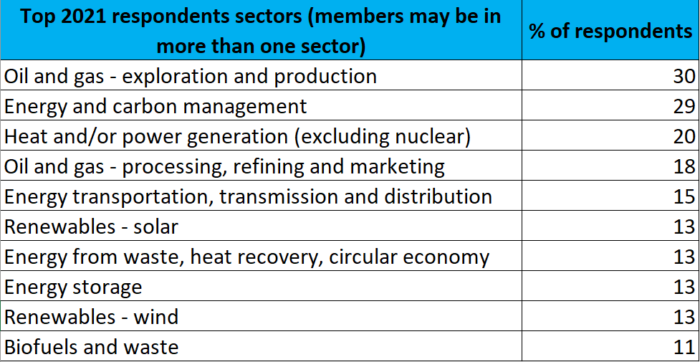
Introduction to the data

The 2021 Energy Barometer is the seventh annual survey of the Energy Institute (EI) College, a randomly-selected group designed to be representative of EI professional and pre-professional members. The survey covers a wide range of energy industry topics, but focuses primarily on the UK energy system.
Most results from the survey are included in the full Energy Barometer report in the form of charts, iconography and text. The data underlying the 2021 report are contained in this spreadsheet, divided into tabs for each report section.
The Energy Barometer survey consists of a number of questions that have been repeated annually since 2015; the final tab contains the data that was collated across the seven years of the survey to identify the trends presented in this year’s report.
Additional data that were not included in the report can be provided on request by contacting barometer@energyinst.org
The 2021 Energy Barometer report is available online (click here)

Survey details

The 2021 Energy Barometer survey was sent to over 700 professional and pre-professional members of the EI in the UK, making up this year’s EI College, of which a total of 418 completed the survey online in March 2020. The sample size was chosen to give results that are within a 5% margin of error and at a confidence level of 95% when compared to surveying the EI’s entire UK professional and pre-professional membership. Consisting of three EI member grades: Fellow (FEI, N=156), Member (MEI, N=172) and Associate Member (AMEI - formerly GradEI, N=89), the sample was representative of the diverse range of seniority levels as well as the sectors and disciplines of the EI’s members in the UK.
 | Top 2020 respondent sectors (members may be in more than one sector) | % of respondents

